Use_Case
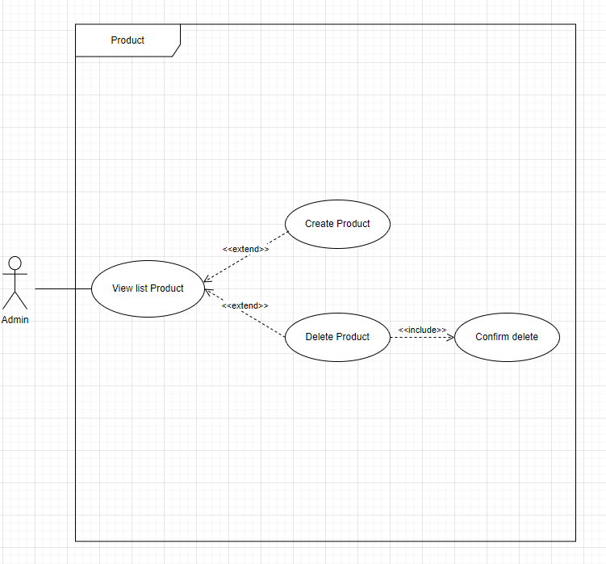
Product

Class_Diagram
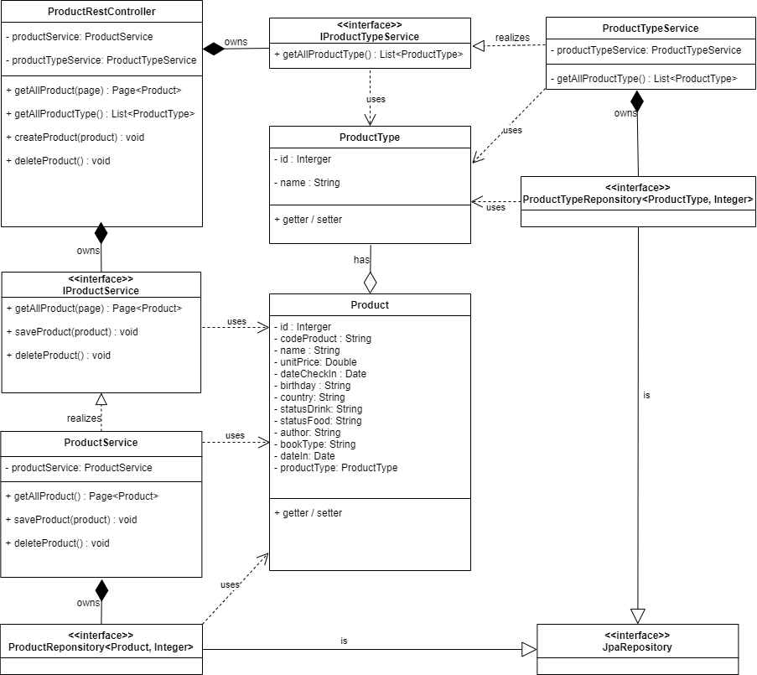
6.1.5 Màn hình thêm mới thông tin nhân viên
6.1.6 Màn hình chỉnh sửa thông tin nhân viên

Sequence_Diagram
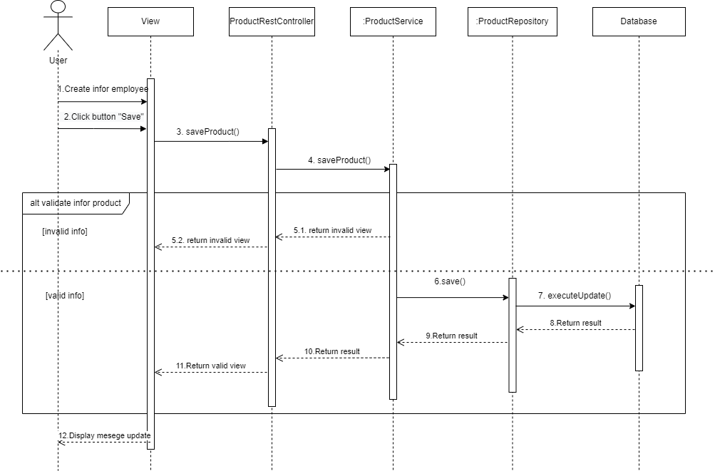
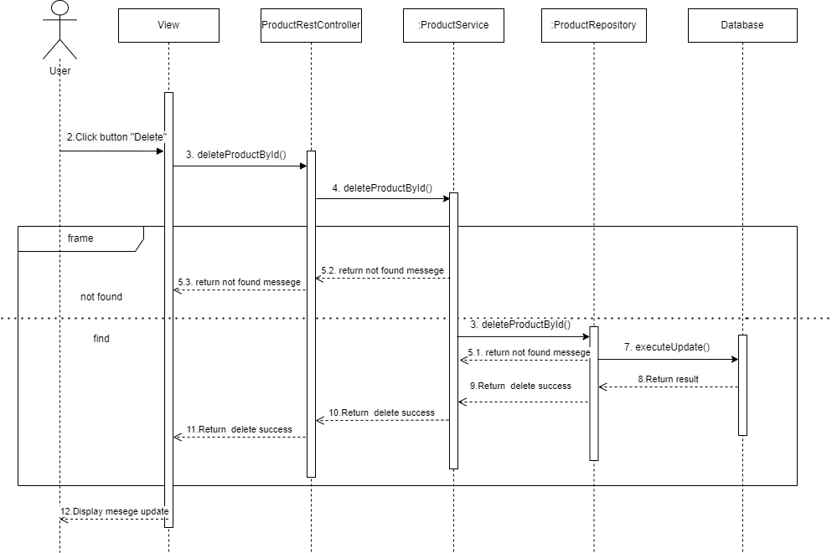
Màn hình thêm mới Sản Phẩm

